Task
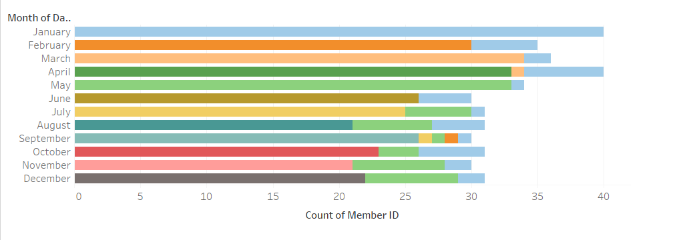
ZFit Gym wants to analyze customer membership renewals. Instead of issuing new customer IDs for each renewal, they keep the same ID but update the joining date. They need to identify which customers joined and then renewed their membership. Your Task: Download the Data: Use the provided link to download the customer data. Create a Custom Field: Use a Level of Detail (LOD) expression in Tableau to create a custom field that utilizes the MIN function on the date of joining. This will help identify the earliest joining date for each customer.

Your Output Should be below

